Fuel Price
Fuel Price

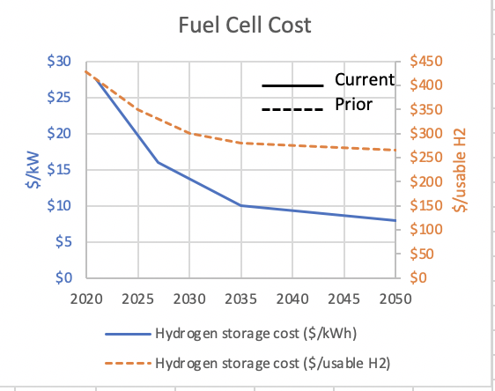

 | FROM CHAD:
 |  |  | From Tom Stephens (1/22/2019 GPRA):
 | No Program | Sensitivity Scenario |  | H2 $/kg | CHANGE TO: (SCENARIO 1) | CHANGE TO: (SCENARIO 2)
2007 | 10 | 10 | 2007 | 10.00 | 10 | 10
2008 | 10 | 10 | 2008 | 10.00 | 10 | 10
2009 | 10 | 10 | 2009 | 10.00 | 10 | 10
2010 | 10 | 10 | 2010 | 10.00 | 10 | 10
2011 | 10 | 10 | 2011 | 10.00 | 10 | 10
2012 | 10 | 10 | 2012 | 10.00 | 10 | 10
2013 | 10 | 10 | 2013 | 10.00 | 10 | 10
2014 | 10 | 10 | 2014 | 10.00 | 10 | 10
2015 | 10 | 10 | 2015 | 14.00 | 10 | 10
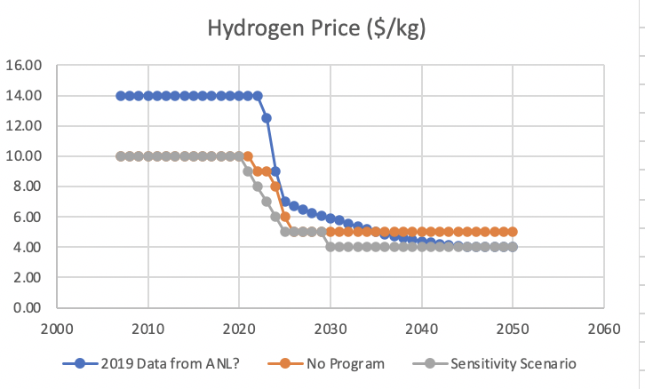
2016 | 10 | 10 | 2016 | 14.00 | 10 | 10
2017 | 10 | 10 | 2017 | 14.00 | 10 | 10
2018 | 10 | 10 | 2018 | 14.00 | 10 | 10
2019 | 10 | 10 | 2019 | 14.00 | 10 | 10
2020 | 10 | 10 | 2020 | 14.00 | 10 | 10
2021 | 10 | 9 | 2021 | 14.00 | 10 | 10
2022 | 9 | 8 | 2022 | 14.00 | 9 | 9
2023 | 9 | 7 | 2023 | 12.50 | 9 | 9
2024 | 8 | 6 | 2024 | 9.00 | 8 | 8
2025 | 6 | 5 | 2025 | 7.00 | 6 | 6
2026 | 5 | 5 | 2026 | 6.70 | 5 | 5
2027 | 5 | 5 | 2027 | 6.50 | 5 | 5
2028 | 5 | 5 | 2028 | 6.25 | 5 | 5
2029 | 5 | 5 | 2029 | 6.05 | 4 | 4
2030 | 5 | 4 | 2030 | 5.92 | 4 | 4
2031 | 5 | 4 | 2031 | 5.75 | 4 | 4
2032 | 5 | 4 | 2032 | 5.55 | 4 | 4
2033 | 5 | 4 | 2033 | 5.36 | 4 | 4
2034 | 5 | 4 | 2034 | 5.17 | 4 | 4
2035 | 5 | 4 | 2035 | 5.00 | 3 | 3
2036 | 5 | 4 | 2036 | 4.85 | 3 | 3
2037 | 5 | 4 | 2037 | 4.73 | 3 | 3
2038 | 5 | 4 | 2038 | 4.62 | 3 | 3
2039 | 5 | 4 | 2039 | 4.50 | 3 | 3
2040 | 5 | 4 | 2040 | 4.40 | 3 | 3
2041 | 5 | 4 | 2041 | 4.30 | 3 | 3
2042 | 5 | 4 | 2042 | 4.22 | 3 | 3
2043 | 5 | 4 | 2043 | 4.15 | 3 | 3
2044 | 5 | 4 | 2044 | 4.07 | 3 | 3
2045 | 5 | 4 | 2045 | 4.00 | 3 | 3
2046 | 5 | 4 | 2046 | 4.00 | 3 | 3
2047 | 5 | 4 | 2047 | 4.00 | 3 | 3
2048 | 5 | 4 | 2048 | 4.00 | 3 | 3
2049 | 5 | 4 | 2049 | 4.00 | 3 | 3
2050 | 5 | 4 | 2050 | 4.00 | 3 | 3

Outputs
Class 7&8 Example Output ®

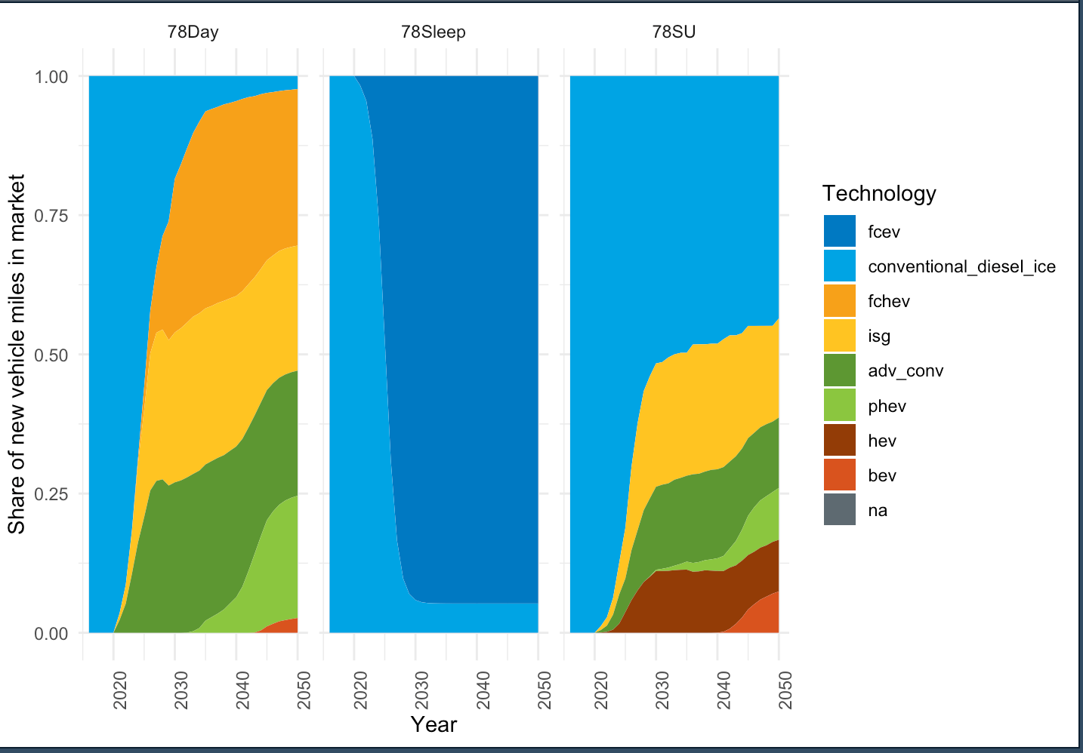

Medium Duty Vehicles from TRUCK Excel Model

